Activity 1
QNO=1 Draw scatter plot for the following datasetusing MS Excel. 23, 27, 27, 39, 41, 47, 49, 50, 52, 54, 54, 56, 57, 58, 58, 60, 61

scatter plot
 | 23
 | 27
 | 27
 | 39
 | 41
 | 47
 | 49
 | 50
 | 52
 | 54
 | 54
 | 56
 | 57
 | 58
 | 58
 | 60
 | 61

Question 2:Normalize the given data set using following methodsusing MS Excel23, 27, 27, 39, 41, 47, 49, 50, 52, 54, 54, 56, 57, 58, 58, 60, 61

 | dataset | zscore | Min-maxscore | Decimal scaling. |  |  |  |  |  |  |  |  |  |  | min/max= | i-min(I) | max value =61 which has 2 v |  | has 2
 | 23 | -2.03 | 0.00 | 0.23 |  |  |  | zscore= | x-mean |  |  |  |  |  |  | max(I)-min(i) |  | values which means
 | 27 | -1.70 | 0.11 | 0.27 |  |  |  |  | standard deviation |  |  |  |  |  |  |  |  | 10^2=100
 | 27 | -1.70 | 0.11 | 0.27 |  |  |  |  |  |  |  |  |  |  | MIN value = | 23
 | 39 | -0.72 | 0.42 | 0.39 |  |  |  | mean = | 47.823529412 |  |  |  |  |  | MAX value= | 61 | decimal scaling
 | 41 | -0.56 | 0.47 | 0.41 |  |  |  |  |  |  |  |  |  |  |  |  | 1) pick largest/max number
 | 47 | -0.07 | 0.63 | 0.47 |  |  |  |  |  |  |  |  |  |  |  |  | from dataset.
 | 49 | 0.10 | 0.68 | 0.49 |  |  |  | standard deviation= |  |  | 12.217995407 |  |  |  |  |  | 2) count values e.g=135(3 val)
 | 50 | 0.18 | 0.71 | 0.5 |  |  |  |  |  |  |  |  |  |  |  |  | 3) now take power of 10 ^n
 | 52 | 0.34 | 0.76 | 0.52 |  |  |  |  |  |  |  |  |  |  |  |  | that is : 10^3=1000
 | 54 | 0.51 | 0.82 | 0.54 |  |  |  |  |  |  |  |  |  |  |  |  | 4) divide each number from
 | 54 | 0.51 | 0.82 | 0.54 |  |  |  |  |  |  | formula to calculate min/max |  |  |  |  |  | dataset with 1000
 | 56 | 0.67 | 0.87 | 0.56 |  |  |  |  |  |  | (A2 - MIN(A$2:A$10)) / (MAX(A$2:A$10) - MIN(A$2:A$10)
 | 57 | 0.75 | 0.89 | 0.57 |  |  |  |  |  |  | (B27-P28)/(P29-P28) |  |  |  |  |  | note that: power of 10 ^n or
 | 58 | 0.83 | 0.92 | 0.58 |  |  |  |  |  |  |  |  |  |  |  |  | value of n could be
 | 58 | 0.83 | 0.92 | 0.58 |  |  |  |  |  |  |  |  |  |  |  |  | any thing dependind upon
 | 60 | 1.00 | 0.97 | 0.6 |  |  |  |  |  |  |  |  |  |  |  |  | dataset max no and its total
 | 61 | 1.08 | 1.00 | 0.61 |  |  |  |  |  |  |  |  |  |  |  |  | values

 | Question 3:Suppose that a hospital tested the age and body fat data for 18 randomly selected adults with the following results shown in Table.
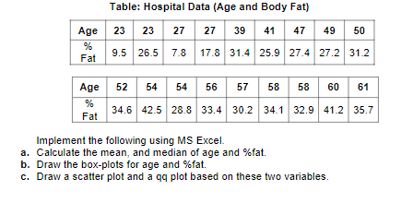

 |  | a)
 |  |  |  |  |  |  |  | b)
 |  | AGE | FAT | AGE | FAT

 |  | 23 | 9.5 | 23 | 9.5
 |  | 23 | 26.5 | 23 | 26.5
 |  | 27 | 7.8 | 27 | 7.8
 |  | 27 | 17.8 | 27 | 17.8
 |  | 39 | 31.4 | 39 | 31.4
 |  | 41 | 25.9 | 41 | 25.9
 |  | 47 | 27.4 | 47 | 27.4
 |  | 49 | 27.2 | 49 | 27.2
 |  | 50 | 31.2 | 50 | 31.2
 |  | 52 | 34.6 | 52 | 34.6
 |  | 54 | 42.5 | 54 | 42.5
 |  | 54 | 28.8 | 54 | 28.8
 |  | 56 | 33.4 | 56 | 33.4
 |  | 57 | 30.2 | 57 | 30.2
 |  | 58 | 34.1 | 58 | 34.1
 |  | 58 | 32.9 | 58 | 32.9
 |  | 60 | 41.2 | 60 | 41.2
 |  | 61 | 35.7 | 61 | 35.7
 |  |  | mean | median
 |  | 46.444 | 28.783 | 51 | 30.7 |  |  | c)
scatter plot
 | AGE | FAT
 | 23 | 9.5
 | 23 | 26.5
 | 27 | 7.8
 | 27 | 17.8
 | 39 | 31.4
 | 41 | 25.9
 | 47 | 27.4
 | 49 | 27.2
 | 50 | 31.2
 | 52 | 34.6
 | 54 | 42.5
 | 54 | 28.8
 | 56 | 33.4
 | 57 | 30.2
 | 58 | 34.1
 | 58 | 32.9
 | 60 | 41.2
 | 61 | 35.7

 |  | formula to cal rank | z-score | formula to cal percentile
 |  | =RANK(B6,$B$6:$B$15,1) | =NORM.S.INV(N114) | (B2-0.5)/COUNT($B$2:$B$11)

 |  | AGE | % FAT
 |  |  |  |  |  | AGE | rank | percentile | z-score | AGE |  | % FAT | rank | percentile | z-score | % FAT
 |  | 27 | 7.8
 |  | 23 | 9.5 |  |  | 23 | 1 | 0.028 | -1.915 | 23 |  | 7.8 | 1 | 0.028 | -1.91 | 7.8
 |  | 27 | 17.8 |  |  | 23 | 2 | 0.083 | -1.383 | 23 |  | 9.5 | 2 | 0.083 | -1.38 | 9.5
 |  | 41 | 25.9 |  |  | 27 | 3 | 0.139 | -1.085 | 27 |  | 17.8 | 3 | 0.139 | -1.09 | 17.8
 |  | 23 | 26.5 |  |  | 27 | 4 | 0.194 | -0.862 | 27 |  | 25.9 | 4 | 0.194 | -0.86 | 25.9
 |  | 49 | 27.2 |  |  | 39 | 5 | 0.250 | -0.674 | 39 |  | 26.5 | 5 | 0.250 | -0.67 | 26.5
 |  | 47 | 27.4 |  |  | 41 | 6 | 0.306 | -0.508 | 41 |  | 27.2 | 6 | 0.306 | -0.51 | 27.2
 |  | 54 | 28.8 |  |  | 47 | 7 | 0.361 | -0.355 | 47 |  | 27.4 | 7 | 0.361 | -0.36 | 27.4
 |  | 57 | 30.2 |  |  | 49 | 8 | 0.417 | -0.210 | 49 |  | 28.8 | 8 | 0.417 | -0.21 | 28.8
 |  | 50 | 31.2 |  |  | 50 | 9 | 0.472 | -0.070 | 50 |  | 30.2 | 9 | 0.472 | -0.07 | 30.2
 |  | 39 | 31.4 |  |  | 52 | 10 | 0.528 | 0.070 | 52 |  | 31.2 | 10 | 0.528 | 0.07 | 31.2
 |  | 58 | 32.9 |  |  | 54 | 11 | 0.583 | 0.210 | 54 |  | 31.4 | 11 | 0.583 | 0.21 | 31.4
 |  | 56 | 33.4 |  |  | 54 | 12 | 0.639 | 0.355 | 54 |  | 32.9 | 12 | 0.639 | 0.36 | 32.9
 |  | 58 | 34.1 |  |  | 56 | 13 | 0.694 | 0.508 | 56 |  | 33.4 | 13 | 0.694 | 0.51 | 33.4
 |  | 52 | 34.6 |  |  | 57 | 14 | 0.750 | 0.674 | 57 |  | 34.1 | 14 | 0.750 | 0.67 | 34.1
 |  | 61 | 35.7 |  |  | 58 | 15 | 0.806 | 0.862 | 58 |  | 34.6 | 15 | 0.806 | 0.86 | 34.6
 |  | 60 | 41.2 |  |  | 58 | 16 | 0.861 | 1.085 | 58 |  | 35.7 | 16 | 0.861 | 1.09 | 35.7
 |  | 54 | 42.5 |  |  | 60 | 17 | 0.917 | 1.383 | 60 |  | 41.2 | 17 | 0.917 | 1.38 | 41.2
 |  | 13.218624215 | 9.2543948224 |  |  | 61 | 18 | 0.972 | 1.915 | 61 |  | 42.5 | 18 | 0.972 | 1.91 | 42.5
 |  | standard dev of age | standard dev of % fat

 |  | mean | mean
 |  | 42.901 | 27.347

 |  |  |  |  |  |  |  |  |  |  |  |  | note = select z score and data (fat) for generating qq

QQ plot for age
QQ plot for fat

Activity 2
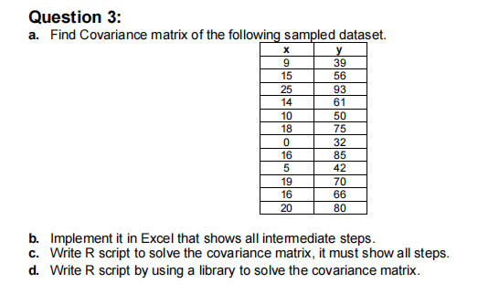
 |  |  |  |  |  |  |  |  |  |  |  | COVARIANCE MATRIX |  |  | COVARIANCE FORMULA
 | X | Y |  |  | Xi-MEAN(x) | (Xi-MEAN(x))^2 | Yi-MEAN(y) | (Yi-MEAN(y))^2 | (Xi-MEAN(x)) * (Yi-MEAN(y)) |  |  | cov(x,x) | cov(x,y) |  | var = | SUM(x-mean(x))^2/n-1
 | 9 | 39 |  |  | -4.92 | 24.17 | -23.42 | 548.34 | 115.13 |  |  | cov(y,x) | cov(y,y)
 | 15 | 56 |  |  | 1.08 | 1.17 | -6.42 | 41.17 | -6.95 |  |  |  |  |  | cov(x,y) | sum(x- x̄) * | (y-ȳ) /n-1
 | 25 | 93 |  |  | 11.08 | 122.84 | 30.58 | 935.34 | 338.97
 | 14 | 61 |  |  | 0.08 | 0.01 | -1.42 | 2.01 | -0.12 |  |  | N= 12
 | 10 | 50 |  |  | -3.92 | 15.34 | -12.42 | 154.17 | 48.63 |  |  | x̄= 13.92 | or x mean
 | 18 | 75 |  |  | 4.08 | 16.67 | 12.58 | 158.34 | 51.38 |  |  | ȳ = 62.42
 | 0 | 32 |  |  | -13.92 | 193.67 | -30.42 | 925.17 | 423.30
 | 16 | 85 |  |  | 2.08 | 4.34 | 22.58 | 510.01 | 47.05
 | 5 | 42 |  |  | -8.92 | 79.51 | -20.42 | 416.84 | 182.05
 | 19 | 70 |  |  | 5.08 | 25.84 | 7.58 | 57.51 | 38.55
 | 16 | 66 |  |  | 2.08 | 4.34 | 3.58 | 12.84 | 7.47
 | 20 | 80 |  |  | 6.08 | 37.01 | 17.58 | 309.17 | 106.97
TOTAL | 167 | 749 |  |  |  | 524.92 |  | 4070.92 | 1352.42
MEAN | 13.92 | 62.42
 |  |  |  |  |  | VAR (x) = | 47.72 |  | covar(x,y) =
 |  |  |  |  |  | VAR(Y) = | 370.08 |  | 122.95

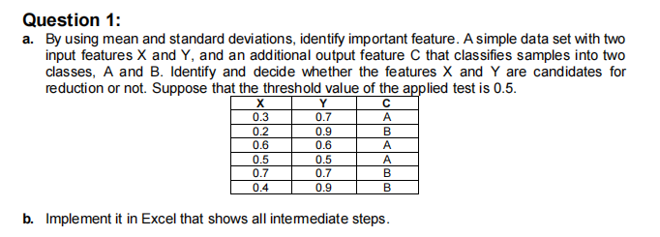

 |  | X | Y | C |  |  | N = 3 |  | VARIANCE FORMULA ; | standard error
 |  | 0.3 | 0.7 | A |  |  | threshold = 0.5 |  | SUM(x-mean(x))^2/n-1 | sqrt(var(Xa)/n + var(Xb)/n) |  | N( no of samples ,here 3)
 |  | 0.2 | 0.9 | B |  |  |  |  | or use simple var.s
 |  | 0.6 | 0.6 | A |  | CLASS A | Xa={ 0.3, 0.6 , 0.5} |  | FISHER (FiRi) | feature selection
 |  | 0.5 | 0.5 | A |  |  | Xb={ 0.2, 0.7 , 0.4} |  |  | mean(Xa)-mean(Xb)
 |  | 0.7 | 0.7 | B |  |  |  |  | |mean(XA) - mean(XB)| | SE(Xa-Xb)
 |  | 0.4 | 0.9 | B |  | CLASS B | Ya={ 0.7 , 0.6 ,0.5} |  | sqrt(varXA -var XB)
 | mean | 0.45 | 0.72 |  |  |  | yb= {0.9 , 0.7 ,0.9}
 | st.dev | 0.19 | 0.16 |  |  |  |  |  | ( same for Y)
 | total (N) | 6 | 6
 | variance | -0.55 | -0.28

1) MAKING CLASSES AND CALCULATE MEAN |  |  |  | and variance for each class |  |  | 2) for variance | we are first calculating (xi-mean(xi))^2
 |  | Xa | Xb | Ya | Yb
 |  |  |  |  |  |  | Xa | (XAi-(Mean(xa)))^2 | Xb | (XBi-(Mean(Xb)))^2 | Ya | (Yai-(Mean(Ya)))^2 | Yb | (YBi-(Mean(Yb)))^2
 |  | 0.3 | 0.2 | 0.7 | 0.9 |  | 0.3 | 0.028 | 0.2 | 0.054 | 0.7 | 0.01 | 0.9 | 0.004
 |  | 0.6 | 0.7 | 0.6 | 0.7 |  | 0.6 | 0.018 | 0.7 | 0.071 | 0.6 | 0 | 0.7 | 0.018
 |  | 0.5 | 0.4 | 0.5 | 0.9 |  | 0.5 | 0.001 | 0.4 | 0.001 | 0.5 | 0.01 | 0.9 | 0.004
 |  |  |  |  |  |  |  | 0.047 |  | 0.127 |  | 0.020 |  | 0.027
 | mean | 0.467 | 0.433 | 0.6 | 0.833
 | variance | 0.02 | 0.063 | 0.01 | 0.013
 | st.dev | 0.15 | 0.25 | 0.1 | 0.12 |  | 3) Now CAL fisher square for each class |  |  |  |  | 4) find the feature that should be discarted

 |  |  |  |  |  |  |  |  |  |  |  | so threshold which is
 |  |  |  |  |  |  | for X |  | for Y |  |  | 0.5 > 0.1132
 |  |  |  |  |  |  | 0.1132 |  | 1.528 |  |  | 0.5 < 1.528

 |  |  |  |  |  |  |  | (fisher method) |  |  |  | which means canditate for reduction or discartion is Y =1.528
 |  |  |  |  |  |  |  |  |  |  |  | while X would be retained

 |  |  |  |  |  | 5) OR | we can also check this through standard error AND feature selection

 |  |  |  |  |  | STANDARD ERROR= |  |  |  | FEATURE SELECTION

 |  |  |  |  |  |  | SE (XA-XB) | 0.170 |  | for X | 0.196
 |  |  |  |  |  |  | SE (YA-YB) | 0.088 |  | for Y | 2.646

 |  |  |  |  |  | so threshold which is
 |  |  |  |  |  | 0.5 > 0.196
 |  |  |  |  |  | 0.5 < 2.646

 |  |  |  |  |  | which means canditate for reduction or discartion is Y =2.646
 |  |  |  |  |  | while X would be retained

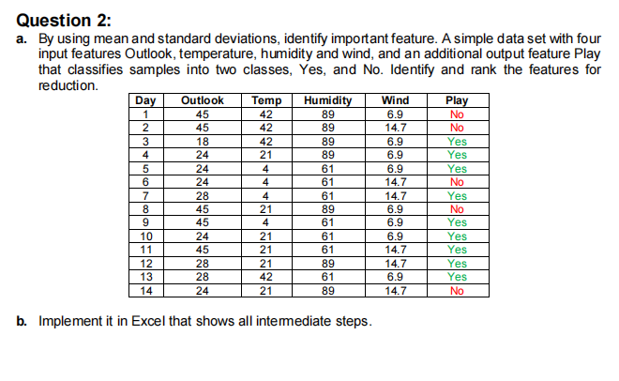 v

 |  |  |  | Day | Outlook | Temp | Humidity | Wind | Play
 |  |  |  | 1 | 45 | 42 | 89 | 6.9 | No |  | n=14
 |  |  |  | 2 | 45 | 42 | 89 | 14.7 | No
 |  |  |  | 3 | 18 | 42 | 89 | 6.9 | Yes
 |  |  |  | 4 | 24 | 21 | 89 | 6.9 | Yes
 |  |  |  | 5 | 24 | 4 | 61 | 6.9 | Yes |  | class YES | day { 3,4,5,7,9,10 ,11,12,13}
 |  |  |  | 6 | 24 | 4 | 61 | 14.7 | No |  |  | outlook { 18,24,24,28 , 45,24,45,28,28}
 |  |  |  | 7 | 28 | 4 | 61 | 14.7 | Yes |  |  | Temp { 42,21,4,4,4,21,21,21,42}
 |  |  |  | 8 | 45 | 21 | 89 | 6.9 | No |  |  | humadity {89,89,61,,61,61,61,61,89,61}
 |  |  |  | 9 | 45 | 4 | 61 | 6.9 | Yes |  |  | wind { 6.9,6.9,6.9,14.7,6.9,6.9,14.7,14.7,6.9}
 |  |  |  | 10 | 24 | 21 | 61 | 6.9 | Yes
 |  |  |  | 11 | 45 | 21 | 61 | 14.7 | Yes
 |  |  |  | 12 | 28 | 21 | 89 | 14.7 | Yes |  | class NO | day{ 1,2,6,8,14}
 |  |  |  | 13 | 28 | 42 | 61 | 6.9 | Yes |  |  | outlook{ 45,45,24,45,24}
 |  |  |  | 14 | 24 | 21 | 89 | 14.7 | No |  |  | Temp{ 42,42,4,21,21}
 |  |  |  |  |  |  |  |  |  |  |  | humadity{89,89,61,89,89}
 |  |  |  |  |  |  |  |  |  |  |  | wind{ 6.9,14.7,14.7,6.9,14.7}
 |  |  | For Class YES |  |  |  |  |  | For Class NO

 |  |  | DAY | OUTLOOK | TEMP | HUMADITY | WIND
 |  |  | 3 | 18 | 42 | 89 | 6.9
 |  |  | 4 | 24 | 21 | 89 | 6.9
 |  |  | 5 | 24 | 4 | 61 | 6.9 |  |  | DAY | OUTLOOK | TEMP | HUMADITY | WIND
 |  |  | 7 | 28 | 4 | 61 | 14.7 |  |  | 1 | 45 | 42 | 89 | 6.9
 |  |  | 9 | 45 | 4 | 61 | 6.9 |  |  | 2 | 45 | 42 | 89 | 14.7
 |  |  | 10 | 24 | 21 | 61 | 6.9 |  |  | 6 | 24 | 4 | 61 | 14.7
 |  |  | 11 | 45 | 21 | 61 | 14.7 |  |  | 8 | 45 | 21 | 89 | 6.9
 |  |  | 12 | 28 | 21 | 89 | 14.7 |  |  | 14 | 24 | 21 | 89 | 14.7
 |  |  | 13 | 28 | 42 | 61 | 6.9
 |  | MEAN | 8.22 | 29.33 | 20.00 | 70.33 | 9.50 |  | MEAN | 6.20 | 36.60 | 26.00 | 83.40 | 11.58
 |  | VAR | 13.19 | 88.75 | 217.50 | 196.00 | 15.21 |  | VAR | 27.20 | 132.30 | 261.50 | 156.80 | 18.25
 |  | total N | 9 | 9 | 9 | 9 | 9 |  | total N | 5 | 5 | 5 | 5 | 5

 |  |  |  |  |  |  |  |  |  | * DAY column will remain constant and may not need to calcuate its mean
 |  |  |  |  |  |  |  |  |  |  |  | variance and standard error
 |  | STANDARD ERROR FOR |  |  |  | FEATURE SELECTION |  | RANK
 | DAY
 | OUTLOOK |  | 6.03 |  |  | 1.21 |  | 2
 | TEMP |  | 8.74 |  |  | 0.69 |  | 4
 | HUMADITY |  | 7.29 |  |  | 1.79 |  | 1
 | WIND |  | 2.31 |  |  | 0.90 |  | 3

 |  | since the ranking of Temp and Wind is lower we can savely say we can reduce these column

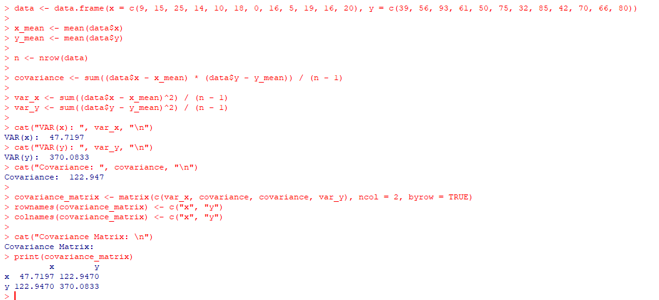
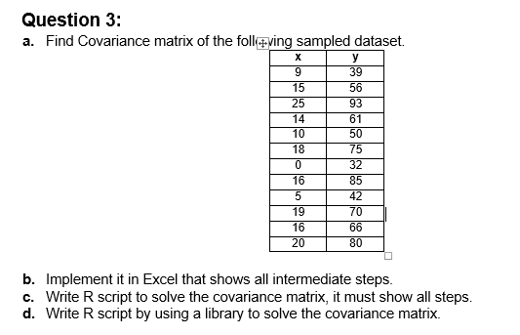
 |  |  |  |  |  |  |  |  | c)

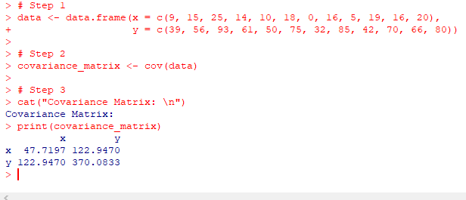

 |  |  |  |  |  |  |  |  | d)
 |  | STEPS OF PART C:
 |  | Step 1: Create a data frame with the given x and y values. |  |  |  |  |  |  |  |  |  |  |  | library used is
 |  | Step 2: Calculate the mean of x and y values. |  |  |  |  |  |  |  |  |  |  |  | cov()
 |  | Step 3: Calculate the covariance using the formula cov(x, y) = sum((x - mean(x)) * (y - mean(y))) / (n - 1).
 |  | Step 4: Create the covariance matrix by using the formula covariance_matrix = var(data) * (n - 1) / n
 |  | Step 5: Print the covariance and covariance matrix.

 | The <- operator is equivalent to the =
 | data.frame is a type of object that is used to store data in a structured format, similar to a table in a database or a spreadsheet
 | like:
 | x <- c(1, 2, 3, 4, 5)
 | y <- c("A", "B", "C", "D", "E")
 | my_df <- data.frame(x, y)

 | the dollar sign $ is used to access a specific column of a data.frame
 | For example, let's say we have a data.frame called my_df that contains two columns, x and y. We can access the x column using the dollar sign like this:
 | my_df$x | This will return a vector that contains the values in the x column of my_df
 | In summary, the dollar sign allows us to access specific columns of a data.frame by name.
 | cat() is a function that is used to print text to the console (i.e., the RStudio console or the terminal). The cat() function stands for "concatenate and print".
 | Similarly, the print() function is used to print the covariance matrix to the console.

